TestSummary
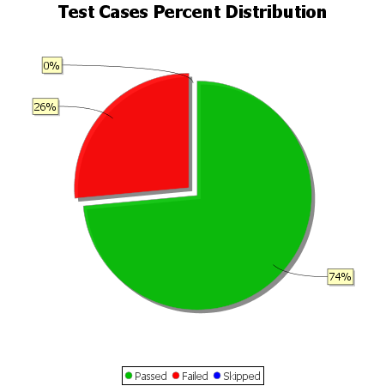
Total Test Cases | 34
Test Cases Passed | 25
Test Cases Failed | 9
Test Cases Skipped | 0

